Earned Value Report
EARNED VALUE

EARNED VALUE OVER TIME
The project’s earned value based on the status date. If actual cost (ACWP) is higher than earned value (BCWP), then the project is over budget. If planned value (BCWS) is higher than earned value, then the project is behind schedule.
 | ACWP | BCWP | BCWS
'23 | $10,360.00 | $5,112.39 | $5,760.00
'23 | $28,760.00 | $17,893.60 | $20,160.00
'23 | $47,160.00 | $30,674.69 | $34,560.00
'23 | $71,080.00 | $42,458.41 | $46,200.00
'23 | $91,280.00 | $51,452.68 | $56,400.00
'23 | $109,240.00 | $60,242.04 | $65,160.00
'23 | $118,000.00 | $68,108.83 | $74,240.00
'23 | $127,000.00 | $76,320.77 | $83,640.00
'23 | $137,400.00 | $85,001.33 | $92,200.00
'23 | $145,760.00 | $92,789.93 | $99,800.00
'23 | $146,400.00 | $93,376.60 | $102,840.00
'23 | $0.00 | $0.00 | $0.00
'23 | $0.00 | $0.00 | $0.00
'23 | $0.00 | $0.00 | $0.00
'23 | $0.00 | $0.00 | $0.00
'23 | $0.00 | $0.00 | $0.00
'23 | $0.00 | $0.00 | $0.00
'23 | $0.00 | $0.00 | $0.00
'23 | $0.00 | $0.00 | $0.00
'23 | $0.00 | $0.00 | $0.00
'23 | $0.00 | $0.00 | $0.00
'23 | $0.00 | $0.00 | $0.00
'23 | $0.00 | $0.00 | $0.00
'23 | $0.00 | $0.00 | $0.00
'23 | $0.00 | $0.00 | $0.00
'23 | $0.00 | $0.00 | $0.00
'23 | $0.00 | $0.00 | $0.00
'23 | $0.00 | $0.00 | $0.00
'23 | $0.00 | $0.00 | $0.00
'23 | $0.00 | $0.00 | $0.00
'23 | $0.00 | $0.00 | $0.00
'23 | $0.00 | $0.00 | $0.00
'24 | $0.00 | $0.00 | $0.00
'24 | $0.00 | $0.00 | $0.00
'24 | $0.00 | $0.00 | $0.00
'24 | $0.00 | $0.00 | $0.00
'24 | $0.00 | $0.00 | $0.00
'24 | $0.00 | $0.00 | $0.00
'24 | $0.00 | $0.00 | $0.00
'24 | $0.00 | $0.00 | $0.00
'24 | $0.00 | $0.00 | $0.00
'24 | $0.00 | $0.00 | $0.00
'24 | $0.00 | $0.00 | $0.00
'24 | $0.00 | $0.00 | $0.00
'24 | $0.00 | $0.00 | $0.00

VARIANCE OVER TIME
Cost and schedule variances for the project based on status date. If CV is negative then, the project is over budget. If SV is positive then the project is behind schedule.
 | CV | SV
'23 | -$5,247.61 | -$647.61
'23 | -$10,866.40 | -$2,266.40
'23 | -$16,485.31 | -$3,885.31
'23 | -$28,621.59 | -$3,741.59
'23 | -$39,827.32 | -$4,947.32
'23 | -$48,997.96 | -$4,917.96
'23 | -$49,891.17 | -$6,131.17
'23 | -$50,679.23 | -$7,319.23
'23 | -$52,398.67 | -$7,198.67
'23 | -$52,970.07 | -$7,010.07
'23 | -$53,023.40 | -$9,463.40
'23 | $0.00 | $0.00
'23 | $0.00 | $0.00
'23 | $0.00 | $0.00
'23 | $0.00 | $0.00
'23 | $0.00 | $0.00
'23 | $0.00 | $0.00
'23 | $0.00 | $0.00
'23 | $0.00 | $0.00
'23 | $0.00 | $0.00
'23 | $0.00 | $0.00
'23 | $0.00 | $0.00
'23 | $0.00 | $0.00
'23 | $0.00 | $0.00
'23 | $0.00 | $0.00
'23 | $0.00 | $0.00
'23 | $0.00 | $0.00
'23 | $0.00 | $0.00
'23 | $0.00 | $0.00
'23 | $0.00 | $0.00
'23 | $0.00 | $0.00
'23 | $0.00 | $0.00
'24 | $0.00 | $0.00
'24 | $0.00 | $0.00
'24 | $0.00 | $0.00
'24 | $0.00 | $0.00
'24 | $0.00 | $0.00
'24 | $0.00 | $0.00
'24 | $0.00 | $0.00
'24 | $0.00 | $0.00
'24 | $0.00 | $0.00
'24 | $0.00 | $0.00
'24 | $0.00 | $0.00
'24 | $0.00 | $0.00
'24 | $0.00 | $0.00

INDICES OVER TIME
Cost and schedule performance indices for the project based on status date. The greater the performance index, the more on schedule and cost saving the project.
 | SPI | CPI
'23 | 0.88756761696 | 0.49347388742
'23 | 0.88757919103 | 0.62216955811
'23 | 0.88757774427 | 0.65043865229
'23 | 0.91901321486 | 0.5973327311
'23 | 0.91228163494 | 0.56367971309
'23 | 0.92452488073 | 0.55146504237
'23 | 0.91741421847 | 0.57719348796
'23 | 0.91249129519 | 0.60095096008
'23 | 0.92192330746 | 0.61864140427
'23 | 0.92975881588 | 0.63659392031
'23 | 0.90797935133 | 0.63781828204
'23 | 0 | 0
'23 | 0 | 0
'23 | 0 | 0
'23 | 0 | 0
'23 | 0 | 0
'23 | 0 | 0
'23 | 0 | 0
'23 | 0 | 0
'23 | 0 | 0
'23 | 0 | 0
'23 | 0 | 0
'23 | 0 | 0
'23 | 0 | 0
'23 | 0 | 0
'23 | 0 | 0
'23 | 0 | 0
'23 | 0 | 0
'23 | 0 | 0
'23 | 0 | 0
'23 | 0 | 0
'23 | 0 | 0
'24 | 0 | 0
'24 | 0 | 0
'24 | 0 | 0
'24 | 0 | 0
'24 | 0 | 0
'24 | 0 | 0
'24 | 0 | 0
'24 | 0 | 0
'24 | 0 | 0
'24 | 0 | 0
'24 | 0 | 0
'24 | 0 | 0
'24 | 0 | 0

Resource cost report
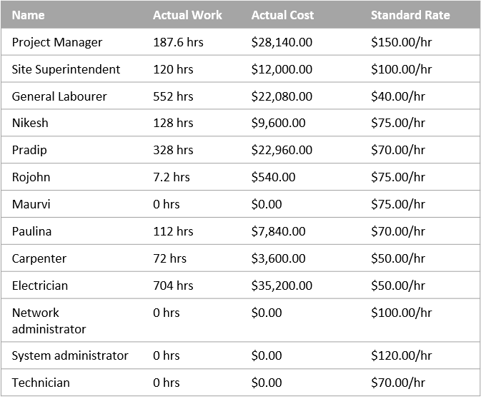
Resource Cost Overview

COST STATUS
COST DISTRIBUTION
Cost status for work resources.
How costs are spread out amongst different resource types.

 | Actual Cost | Remaining Cost | Baseline Cost
Project Manager | $28,140.00 | $85,860.00 | $109,800.00
Site Superintendent | $12,000.00 | $8,000.00 | $18,400.00
General Labourer | $22,080.00 | $36,992.00 | $56,192.00
Nikesh | $9,600.00 | $0.00 | $8,400.00
Pradip | $22,960.00 | $3,920.00 | $24,080.00
Rojohn | $540.00 | $27,060.00 | $27,600.00
Maurvi | $0.00 | $14,400.00 | $14,400.00
Paulina | $7,840.00 | $11,760.00 | $18,480.00
Carpenter | $3,600.00 | $12,400.00 | $15,600.00
Electrician | $35,200.00 | $23,600.00 | $23,600.00
Network administrator | $0.00 | $9,600.00 | $9,600.00
System administrator | $0.00 | $9,600.00 | $9,600.00
Technician | $0.00 | $43,680.00 | $43,680.00
 | Cost
Type: Work | $428,832.00
Type: Material | $22,400.00
Type: Cost | $89,000.00

COST DETAILS
Cost details for all work resources.

Task Report
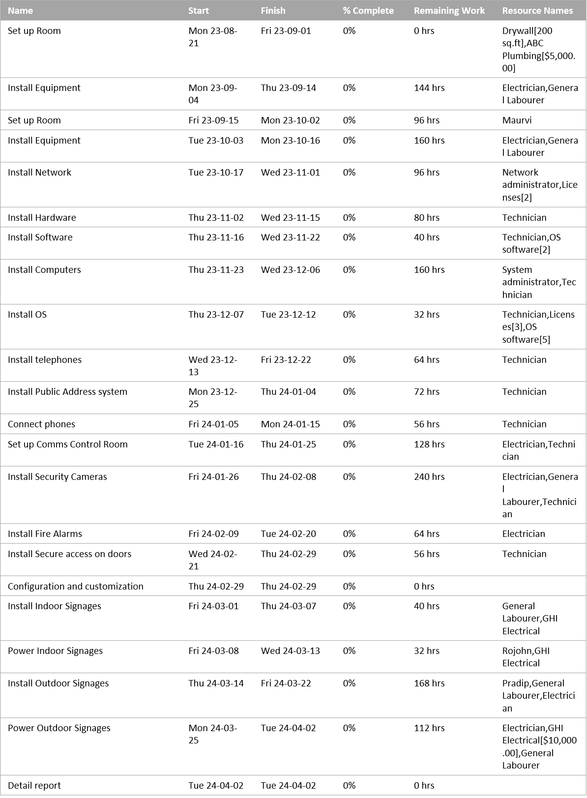
Critical Tasks

 | Work
Status: Complete | 2,016hrs
Status: Late | 144hrs
Status: Future Task | 3,165hrs
A task is critical if there is no room in the schedule for it to slip.

Cost Variance
Cash Flow

 | Cost | Cumulative Cost
2 | $112,280.00 | $112,280.00
3 | $179,560.00 | $291,840.00
4 | $142,072.00 | $433,912.00
1 | $94,880.00 | $528,792.00
2 | $11,440.00 | $540,232.00

